Agenda
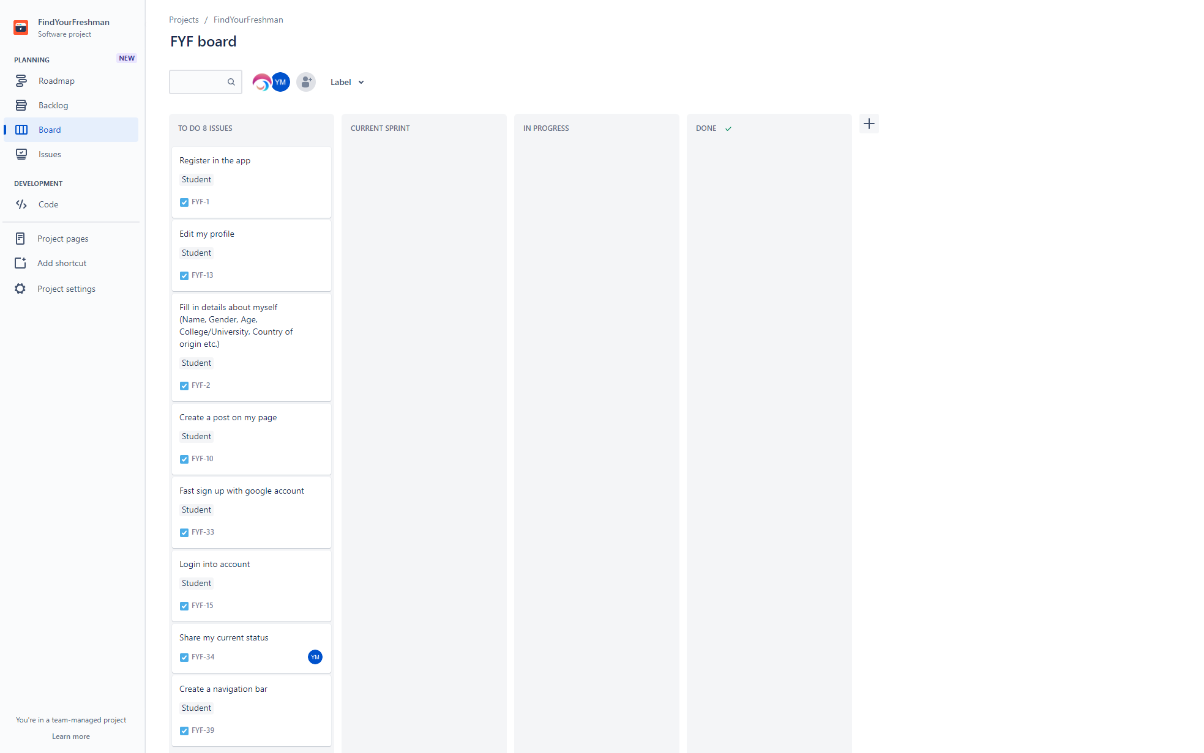
Sprint Planning Meeting 1 |  |  |  | Notes:
Group Number: | 1 |  |  | Replace ## actual sprint planning number and group number respectively.
 |  |  |  | This spreadsheet contains more than one sheet; after you are done with Attendees information, complete information on sheet "Current Sprint"
Attendees (Last name, First Name) | Present | Absent | Notes/Comments | Complexity and number of items must be reasonable according to the number of team members.
Mokhurenko, Yaroslav | X |  | Everyone should draw their draft of the design for the app and choose the best one on the next meeting. | Your professor might ask you to add more user stories and or increase complexity/functionality.
Derbishev, Temirlan | X |  |  | "Current Sprint" information will be used as a checklist to grade your sprint release.
Diaz-Vargas, Nicolas | X
Patel, Jay | X
Bikov, Aleksei | X

Add a screenshot of your "Agile Task Board" below:

